指标
序号 | 日期 | 全国:发行地方政府债券:专项债券:当月值 | 城镇固定资产投资完成额:当月值
1 | 2024-11 | 12,307.00 | 42,617.00
2 | 2024-10 | 4,659.00 | 44,244.00
3 | 2024-09 | 11,219.00 | 49,593.00
4 | 2024-08 | 9,558.00 | 41,774.00
5 | 2024-07 | 4,943.00 | 42,220.00
6 | 2024-06 | 5,082.00 | 57,385.00
7 | 2024-05 | 6,600.00 | 44,605.00
8 | 2024-04 | 2,104.00 | 43,359.00
9 | 2024-03 | 4,349.00 | 49,195.00
10 | 2024-02 | 4,444.00
11 | 2024-01 | 1,907.00
12 | 2023-12 | 1,360.00 | 42,222.00
13 | 2023-11 | 4,571.00 | 41,405.00
14 | 2023-10 | 5,651.00 | 44,374.00
15 | 2023-09 | 6,625.00 | 47,993.00
16 | 2023-08 | 9,819.00 | 41,144.00
17 | 2023-07 | 3,505.00 | 42,785.00
18 | 2023-06 | 4,962.00 | 54,298.00
19 | 2023-05 | 4,154.00 | 41,333.00
20 | 2023-04 | 4,070.00 | 40,200.00
21 | 2023-03 | 6,352.00 | 53,705.00
22 | 2023-02 | 3,842.00
23 | 2023-01 | 4,986.00
24 | 2022-12 | 512.00 | 52,095.00
25 | 2022-11 | 1,226.00 | 48,584.00
26 | 2022-10 | 5,460.00 | 50,047.00
27 | 2022-09 | 1,207.00 | 54,306.00
28 | 2022-08 | 2,149.00 | 47,294.00
29 | 2022-07 | 1,577.00 | 48,382.00
30 | 2022-06 | 14,913.00 | 65,466.00
31 | 2022-05 | 7,754.00 | 52,420.00
32 | 2022-04 | 1,898.00 | 48,672.00
33 | 2022-03 | 4,901.00 | 54,109.00
34 | 2022-02 | 3,954.00
35 | 2022-01 | 5,765.00
36 | 2021-12 | 2,812.00 | 50,465.00
37 | 2021-11 | 6,206.00 | 48,259.00
38 | 2021-10 | 6,441.00 | 47,996.00
39 | 2021-09 | 6,013.00 | 50,914.00
40 | 2021-08 | 6,360.00 | 44,380.00
41 | 2021-07 | 4,088.00 | 46,633.00
42 | 2021-06 | 5,605.00 | 61,983.00
43 | 2021-05 | 4,524.00 | 50,113.00
44 | 2021-04 | 3,439.00 | 47,810.00
45 | 2021-03 | 1,983.00 | 50,758.00
46 | 2021-02 | 262.00
47 | 2021-01 | 1,496.00
48 | 2020-12 | 1,108.00 | 19,347.00
49 | 2020-11 | 491.00 | 16,268.00
50 | 2020-10 | 2,839.00 | 46,762.00
51 | 2020-09 | 5,083.00 | 57,696.00
52 | 2020-08 | 7,199.00 | 49,620.00
53 | 2020-07 | 958.00 | 47,611.00
54 | 2020-06 | 1,176.00 | 82,409.00
55 | 2020-05 | 10,310.00 | 62,370.00
56 | 2020-04 | 1,200.00 | 52,679.00
57 | 2020-03 | 1,542.00 | 50,822.00
58 | 2020-02 | 2,350.00
59 | 2020-01 | 7,148.21
60 | 2019-12 | 340.00 | 17,760.00
61 | 2019-11 | 227.24 | 22,838.00
62 | 2019-10 | 168.84 | 49,676.00
63 | 2019-09 | 1,630.00 | 60,576.00
64 | 2019-08 | 4,063.00 | 51,736.00
65 | 2019-07 | 3,939.00 | 49,792.00
66 | 2019-06 | 5,818.00 | 81,545.00
67 | 2019-05 | 1,579.00 | 61,808.00
68 | 2019-04 | 945.00 | 53,876.00
69 | 2019-03 | 3,910.00 | 57,022.00
70 | 2019-02 | 1,717.00
71 | 2019-01 | 1,545.00
72 | 2018-12 | 362.00 | 26,369.00
73 | 2018-11 | 189.00 | 61,700.00
74 | 2018-10 | 1,273.00 | 64,125.00
75 | 2018-09 | 6,740.00 | 68,284.00
76 | 2018-08 | 5,266.00 | 59,360.00
77 | 2018-07 | 1,959.00 | 58,482.00
78 | 2018-06 | 909.00 | 81,273.00
79 | 2018-05 | 1,187.00 | 61,685.00
80 | 2018-04 | 808.00 | 53,595.00
81 | 2018-03 | 592.00 | 56,137.00
82 | 2017-12 | 300.00 | 56,627.00
83 | 2017-11 | 2,384.00 | 57,239.00
84 | 2017-10 |  | 59,340.00
85 | 2017-09 |  | 64,328.00
86 | 2017-08 |  | 56,741.00
87 | 2017-07 |  | 56,804.00
88 | 2017-06 |  | 76,887.00
89 | 2017-05 |  | 59,391.00
90 | 2017-04 |  | 50,550.00
91 | 2017-03 |  | 52,399.00
92 | 2016-12 |  | 57,953.00
93 | 2016-11 |  | 54,119.00
94 | 2016-10 |  | 57,523.00
95 | 2016-09 |  | 60,567.00
96 | 2016-08 |  | 54,645.00
97 | 2016-07 |  | 53,334.00
98 | 2016-06 |  | 70,689.00
99 | 2016-05 |  | 55,079.00
100 | 2016-04 |  | 46,749.00
101 | 2016-03 |  | 47,835.00
102 | 2015-12 |  | 54,407.85
103 | 2015-11 |  | 49,757.27
104 | 2015-10 |  | 52,893.84
105 | 2015-09 |  | 55,553.68
106 | 2015-08 |  | 50,508.86
107 | 2015-07 |  | 51,336.64
108 | 2015-06 |  | 65,886.46
109 | 2015-05 |  | 51,266.90
110 | 2015-04 |  | 42,467.25
111 | 2015-03 |  | 43,033.84
112 | 2014-12 |  | 50,937.32
113 | 2014-11 |  | 44,906.97
114 | 2014-10 |  | 48,373.42
115 | 2014-09 |  | 52,000.70
116 | 2014-08 |  | 46,293.57
117 | 2014-07 |  | 46,722.46
118 | 2014-06 |  | 59,053.96
119 | 2014-05 |  | 46,638.65
120 | 2014-04 |  | 38,756.12
121 | 2014-03 |  | 38,038.69
122 | 2013-12 |  | 45,245.17
123 | 2013-11 |  | 39,613.28
124 | 2013-10 |  | 42,461.68
125 | 2013-09 |  | 46,629.49
126 | 2013-08 |  | 40,855.85
127 | 2013-07 |  | 40,404.63
128 | 2013-06 |  | 50,106.95
129 | 2013-05 |  | 39,891.47
130 | 2013-04 |  | 33,226.90
131 | 2013-03 |  | 32,416.36
132 | 2012-12 |  | 38,598.89
133 | 2012-11 |  | 33,694.18
134 | 2012-10 |  | 35,609.00
135 | 2012-09 |  | 38,974.93
136 | 2012-08 |  | 33,646.29
137 | 2012-07 |  | 33,601.72
138 | 2012-06 |  | 41,785.85
139 | 2012-05 |  | 33,332.61
140 | 2012-04 |  | 27,726.20
141 | 2012-03 |  | 26,676.57
142 | 2011-12 |  | 32,480.73
143 | 2011-11 |  | 28,087.03
144 | 2011-10 |  | 29,091.09
145 | 2011-09 |  | 31,666.38
146 | 2011-08 |  | 28,187.76
147 | 2011-07 |  | 27,853.18
148 | 2011-06 |  | 34,312.17
149 | 2011-05 |  | 27,538.29
150 | 2011-04 |  | 23,251.32
151 | 2011-03 |  | 22,020.75
152 | 2010-12 |  | 30,717.10
153 | 2010-11 |  | 23,141.72
154 | 2010-10 |  | 21,686.53
155 | 2010-09 |  | 24,871.83
156 | 2010-08 |  | 21,131.50
157 | 2010-07 |  | 21,818.87
158 | 2010-06 |  | 30,689.08
159 | 2010-05 |  | 20,615.55
160 | 2010-04 |  | 16,950.06
161 | 2010-03 |  | 16,778.66
162 | 2009-12 |  | 25,504.41
163 | 2009-11 |  | 17,924.45
164 | 2009-10 |  | 17,533.16
165 | 2009-09 |  | 20,191.80
166 | 2009-08 |  | 17,052.78
167 | 2009-07 |  | 17,833.66
168 | 2009-06 |  | 24,578.03
169 | 2009-05 |  | 16,438.02
170 | 2009-04 |  | 13,520.31
171 | 2009-03 |  | 13,286.21
172 | 2008-12 |  | 20,553.11
173 | 2008-11 |  | 14,425.07
174 | 2008-10 |  | 13,318.36
175 | 2008-09 |  | 14,951.03
176 | 2008-08 |  | 12,759.61
177 | 2008-07 |  | 13,724.10
178 | 2008-06 |  | 18,171.78
179 | 2008-05 |  | 11,854.13
180 | 2008-04 |  | 10,093.14
181 | 2008-03 |  | 10,195.65
182 | 2007-12 |  | 16,809.30
183 | 2007-11 |  | 11,651.29
184 | 2007-10 |  | 10,706.54
185 | 2007-09 |  | 11,587.78
186 | 2007-08 |  | 9,961.17
187 | 2007-07 |  | 10,620.01
188 | 2007-06 |  | 14,033.04
189 | 2007-05 |  | 9,450.37
190 | 2007-04 |  | 8,050.80
191 | 2007-03 |  | 8,008.60
192 | 2006-12 |  | 14,160.26
193 | 2006-11 |  | 9,241.58
194 | 2006-10 |  | 8,190.40
195 | 2006-09 |  | 9,286.46
196 | 2006-08 |  | 7,822.65
197 | 2006-07 |  | 8,402.66
198 | 2006-06 |  | 10,924.88
199 | 2006-05 |  | 7,437.81
200 | 2006-04 |  | 6,397.26
201 | 2006-03 |  | 6,314.30
202 | 2005-12 |  | 11,836.63
203 | 2005-11 |  | 7,467.73
204 | 2005-10 |  | 7,050.63
205 | 2005-09 |  | 7,590.59
206 | 2005-08 |  | 6,513.74
207 | 2005-07 |  | 6,670.16
208 | 2005-06 |  | 8,247.68
209 | 2005-05 |  | 5,694.65
210 | 2005-04 |  | 4,987.99
211 | 2005-03 |  | 4,814.90
212 | 2004-12 |  | 9,345.96
213 | 2004-11 |  | 5,718.04
214 | 2004-10 |  | 5,527.94
215 | 2004-09 |  | 5,842.39
216 | 2004-08 |  | 5,070.15
217 | 2004-07 |  | 5,271.83
218 | 2004-06 |  | 6,406.77
219 | 2004-05 |  | 4,389.76
220 | 2004-04 |  | 3,988.96
221 | 2004-03 |  | 3,771.45
222 | 2003-12 |  | 8,025.39
223 | 2003-11 |  | 4,151.51
224 | 2003-10 |  | 3,953.94
225 | 2003-09 |  | 4,147.98
226 | 2003-08 |  | 3,611.27
227 | 2003-07 |  | 3,680.69
228 | 2003-06 |  | 4,494.84
229 | 2003-05 |  | 3,312.91
230 | 2003-04 |  | 2,786.31
231 | 2003-03 |  | 2,542.14
232 | 2002-12 |  | 6,823.22
233 | 2002-11 |  | 3,249.38
234 | 2002-10 |  | 3,081.03
235 | 2002-09 |  | 3,253.04
236 | 2002-08 |  | 2,741.42
237 | 2002-07 |  | 2,690.15
238 | 2002-06 |  | 3,275.88
239 | 2002-05 |  | 2,411.22
240 | 2002-04 |  | 2,152.73
241 | 2002-03 |  | 1,855.70
242 | 2001-12 |  | 6,662.90
243 | 2001-11 |  | 2,739.93
244 | 2001-10 |  | 2,504.35
245 | 2001-09 |  | 2,608.21
246 | 2001-08 |  | 2,200.10
247 | 2001-07 |  | 2,183.10
248 | 2001-06 |  | 2,728.89
249 | 2001-05 |  | 1,963.41
250 | 2001-04 |  | 1,675.54
251 | 2001-03 |  | 1,429.46
252 | 2000-12 |  | 6,051.81
253 | 2000-11 |  | 2,503.88
254 | 2000-10 |  | 2,216.65
255 | 2000-09 |  | 2,275.80
256 | 2000-08 |  | 1,812.16
257 | 2000-07 |  | 1,844.91
258 | 2000-06 |  | 2,304.99
259 | 2000-05 |  | 1,621.43
260 | 2000-04 |  | 1,375.83
261 | 2000-03 |  | 1,280.49
262 | 1999-12 |  | 7,623.68
263 | 1999-11 |  | 2,361.52
264 | 1999-10 |  | 1,982.63
265 | 1999-09 |  | 1,856.02
266 | 1999-08 |  | 1,610.51
267 | 1999-07 |  | 1,611.07
268 | 1999-06 |  | 1,936.32
269 | 1999-05 |  | 1,480.26
270 | 1999-04 |  | 1,247.16
271 | 1999-03 |  | 1,177.64
272 | 1998-12 |  | 6,067.22
273 | 1998-11 |  | 2,219.68
274 | 1998-10 |  | 1,951.81
275 | 1998-09 |  | 1,920.53
276 | 1998-08 |  | 1,581.24
277 | 1998-07 |  | 1,533.98
278 | 1998-06 |  | 1,822.16
279 | 1998-05 |  | 1,292.32
280 | 1998-04 |  | 1,095.22
281 | 1998-03 |  | 964.41
282 | 1997-12 |  | 6,993.44
283 | 1997-11 |  | 1,588.26
284 | 1997-10 |  | 1,530.94
285 | 1997-09 |  | 1,436.96
286 | 1997-08 |  | 1,252.65
287 | 1997-07 |  | 1,100.53
288 | 1997-06 |  | 1,728.03
289 | 1997-05 |  | 1,138.80
290 | 1997-04 |  | 946.42
291 | 1997-03 |  | 889.58
292 | 1996-12 |  | 6,678.62
293 | 1996-11 |  | 1,391.79
294 | 1996-10 |  | 1,227.34
295 | 1996-09 |  | 1,305.62
296 | 1996-08 |  | 1,102.85
297 | 1996-07 |  | 1,194.50
298 | 1996-06 |  | 1,540.03
299 | 1996-05 |  | 1,033.31
300 | 1996-04 |  | 794.43
301 | 1996-03 |  | 823.77
302 | 1995-12 |  | 6,553.05
303 | 1995-11 |  | 1,126.76
304 | 1995-10 |  | 1,072.06
305 | 1995-09 |  | 1,140.94
306 | 1995-08 |  | 1,030.76
307 | 1995-07 |  | 956.38
308 | 1995-06 |  | 1,144.31
309 | 1995-05 |  | 819.66
310 | 1995-04 |  | 681.93
311 | 1995-03 |  | 674.18
312 | 1994-12 |  | 2,995.33
313 | 1994-11 |  | 852.58
314 | 1994-10 |  | 754.33
315 | 1994-09 |  | 800.38
316 | 1994-08 |  | 667.09
317 | 1994-07 |  | 871.91
318 | 1994-06 |  | 890.15
319 | 1994-05 |  | 573.84
320 | 1994-04 |  | 476.67
321 | 1994-03 |  | 397.22
322 | 1993-12 |  | 2,362.08
323 | 1993-11 |  | 694.89
324 | 1993-10 |  | 630.49
325 | 1993-09 |  | 564.15
326 | 1993-08 |  | 498.73
327 | 1993-07 |  | 516.45
328 | 1993-06 |  | 603.72
329 | 1993-05 |  | 461.08
330 | 1993-04 |  | 335.08
331 | 1992-12 |  | 1,557.08
332 | 1992-11 |  | 454.76
333 | 1992-10 |  | 417.28
334 | 1992-07 |  | 312.87
335 | 1991-12
336 | 1990-12
337 | 1989-12
338 | 1988-12
339 | 1987-12
340 | 1986-12
341 | 1985-12
342 | 1984-12
343 | 1983-12
344 | 1982-12
345 | 1981-12
346 | 1980-12
347 | 1979-12
348 | 1978-12
349 | 1977-12
350 | 1976-12
351 | 1975-12
352 | 1974-12
353 | 1973-12
354 | 1972-12
355 | 1971-12
356 | 1970-12
357 | 1969-12
358 | 1968-12
359 | 1967-12
360 | 1966-12
361 | 1965-12
362 | 1964-12
363 | 1963-12
364 | 1962-12
365 | 1961-12
366 | 1960-12
367 | 1959-12
368 | 1958-12
369 | 1957-12
370 | 1956-12
371 | 1955-12
372 | 1954-12
373 | 1953-12
374 | 1952-12

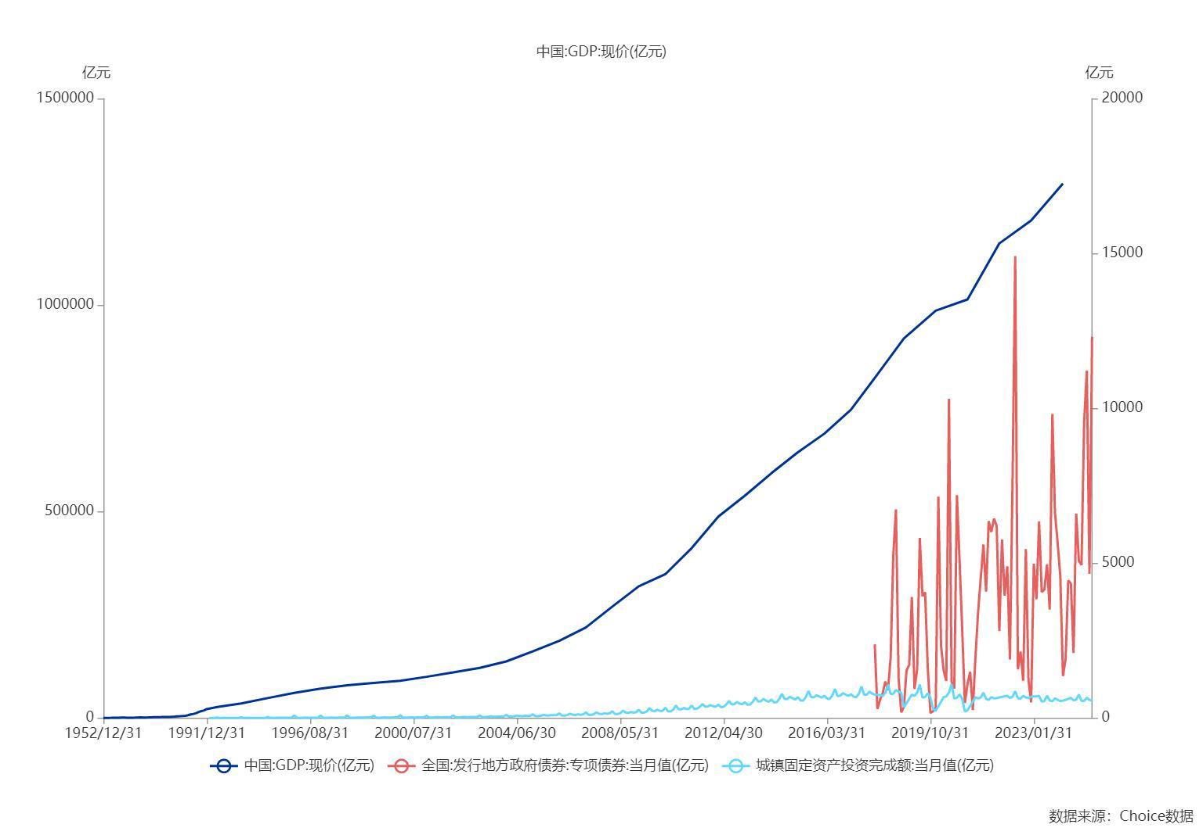

数据来源：东方财富Choice数据

